Beachwear woman collection
description | gender | model & color | photo | q.ty
beachwear | woman | 11 Models in 5-6 colors by each model | 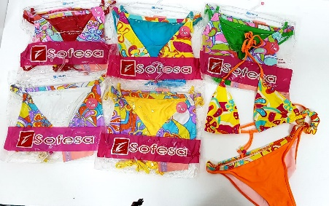 | 1000
beachwear | woman | 11 Models in 5-6 colors by each model | 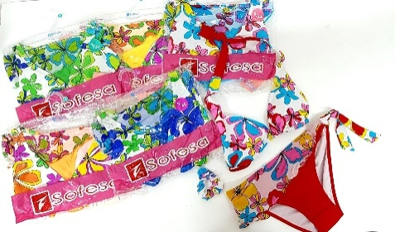
beachwear | woman | 11 Models in 5-6 colors by each model | 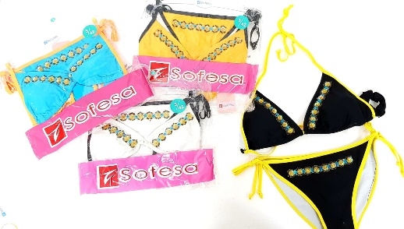
beachwear | woman | 11 Models in 5-6 colors by each model | 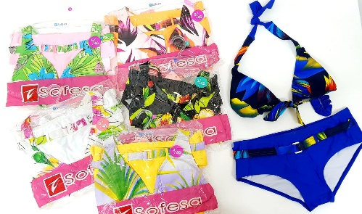 | 2500
beachwear | woman | 11 Models in 5-6 colors by each model | 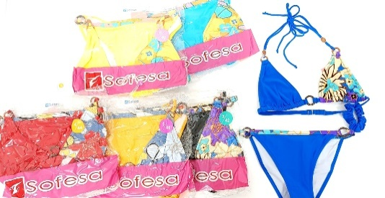
beachwear | woman | 11 Models in 5-6 colors by each model | 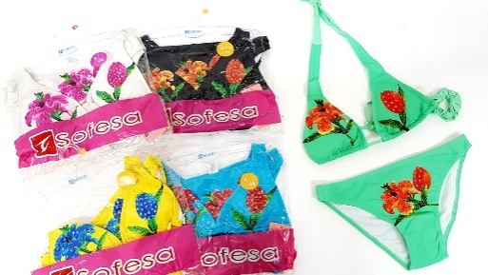
beachwear | woman | 11 Models in 5-6 colors by each model | 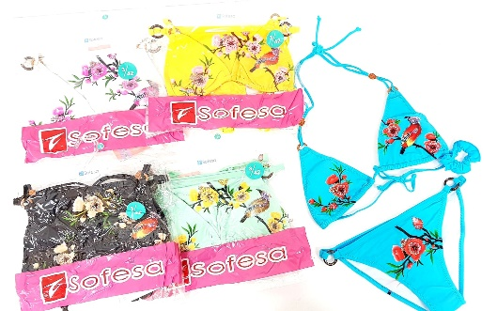 | 5000
beachwear | woman | 11 Models in 5-6 colors by each model | 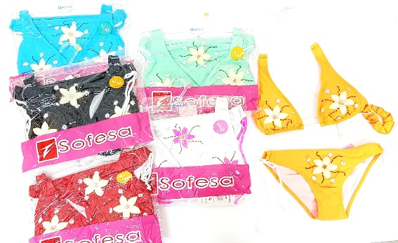
beachwear | woman | 11 Models in 5-6 colors by each model | 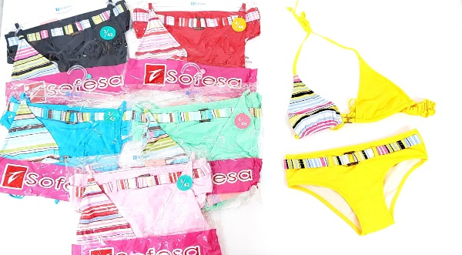
 |  |  |  | 8500

